1. Title Page
[Project Name]

Project Name:
Date:
Analyst Name:

Contents:
Population Flow
Consistency checks
Wrangling steps
Column derivations
Visualizations
Recommendations

2. Population Flow
 | Title page

Population flow

Exclusion flag
Condition: max_order <
Obervations to be removed:
Final total count of order_products_all:

(3421083, 7)
(32404859, 35)

(3421083, 7)

Orders_products_combined
Orders_products_merged
Orders_products_all

Total:
Total:(32434489, 12)
Total:(30964564, 36)
(32404859, 26)

1.) The grey boxes in the first row of the population flow represent the original data sets as they were when you downloaded them. In the Total fields you need to add the count of the rows when you imported the data set into Jupyter.
2.) The second row of boxes (coloured) represents the data sets after you manipulated them, e.g., removed missing values and duplicates. In the Total fields you need to add the count of the rows after conducting these operations. This offers a visual oveview of how the data flows throughout the data consistency checks.
3.) The third row, where also the arrows are coloured, represents the merges you performed between the datasets. In the Total fields you need to add the count of the rows in the merged datasets, so that you end up with the final dataset (in the red box). Keep in mind the final dataset should be without exclusions (based on the exclusion flag).

3. Consistency checks
 |  |  |  | Title page
Consistency checks

Dataset | Missing values | Missing values treatment | Duplicates
orders | There are 206209 missing values | left them as is | none
products | 16 values in 'product_name' | deleted the values | 5 duplicates that were erased
orders_products_prior | none | none | none
customers | kept as is | kept as is | kept as is

4. Wrangling steps
 |  |  |  | Title page
Wrangling steps

Columns dropped | Columns renamed | Columns' type changed | Comment/Reason
Unnamed: 0.1 |  |  | Unnecessary Columns
Unnamed: 0_x
Unnamed: 0
 | Surnam |  | did not fist the style of the columns
 | First Name
 | Age
 | Gender
 | n_dependants |  | where vague/unclear
 | Fam_Status
 |  | user_id | changed to an int64 object

5. Column derivations
 |  |  |  | Title page

Column derivations and aggregations

In this tab you should add tables below that the frequences of flags/label variables that you produced after deriving them. NB: don't do this for continuous variables, only for flags.
Dataset | New column | Column/s it was derived from | Conditions
ords_prods_merge | loyalty flag | max_orders | ords_prods_merge.loc[ords_prods_merge['max_order'] > 40, 'loyalty_flag'] = 'Loyal customer' ords_prods_merge.loc[(ords_prods_merge['max_order'] <= 40) & (ords_prods_merge['max_order'] > 10), 'loyalty_flag'] = 'Regular customer' ords_prods_merge.loc[ords_prods_merge['max_order'] <= 10, 'loyalty_flag'] = 'New customer'
ords_prods_merge | spending flag | mean_order | ords_prods_merge.loc[ords_prods_merge['mean_order'] < 10, 'spending_flag'] = 'Low spender' ords_prods_merge.loc[ords_prods_merge['mean_order'] >= 10, 'spending_flag'] = 'High spender'
ords_prods_merge | Median Frequency | user_id' and 'days_since_prior_order' | ords_prods_merge['Median_frequency'] = ords_prods_merge.groupby(['user_id'])['days_since_prior_order'].transform(np.median)
ords_prods_merge | frequency flag | median_frequency | ords_prods_merge.loc[ords_prods_merge['Median_frequency'] > 20, 'frequency_flag'] = 'Non-frequent customer' ords_prods_merge.loc[(ords_prods_merge['Median_frequency'] > 10) & (ords_prods_merge['Median_frequency'] <= 20), 'frequency_flag'] = 'Regular customer' ords_prods_merge.loc[ords_prods_merge['Median_frequency'] <= 10, 'frequency_flag'] = 'Frequent customer'
df_merged_wo_pii | activity flag | max_orders | df_merged_wo_pii.loc[df_merged_wo_pii['max_order'] >= 5, 'Activity_flag'] = 'High activity' df_merged_wo_pii.loc[df_merged_wo_pii['max_order'] < 5, 'Activity_flag'] = 'Low activity'
ords_prods_merge | Price label | prices | def price_label(row): if row ['prices'] <= 5: return 'Low-range product' elif (row['prices'] > 5) and (row['prices'] <= 15): return 'Mid-range product' elif row['prices'] > 15: return 'High range' else: return 'Not enough data'
ords_prods_merged | Busiest Days | orders_days_of_week | result = [] for value in ords_prods_merged['orders_day_of_week']: if value == 0: result.append('Busiest day') elif value == 4: result.append('Least busy') else: result.append('Regularly busy')

6. Visualizations
 |  | Title page

Visualisations


Age income Scatter Plot |  | Number of Dependants Each Age Has | Type of Spender per Region
 |  |  | Region | High spender | Low spender
 |  |  | Midwest | 155,975 | 7,441,350
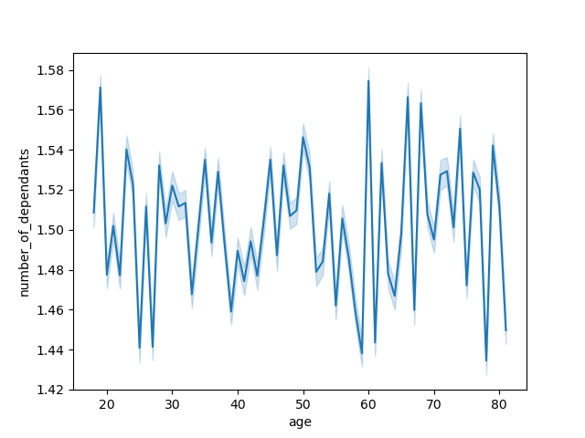
 |  |  | Northeast | 108,225 | 5,614,511
 |  |  | South | 209,691 | 10,582,194
 |  |  | West | 160,354 | 8,132,559
 |  |  | The Southern region has the most high spenders, with 40,000 more than the next closest (West)

Income increases as age increases. We can assume younger customers have less to spend | The middle ages (30 - 55) seem to have a more stable number per dependants versus the ages over and under

adult groups shopping on instacart | products prices purchased at specific hours
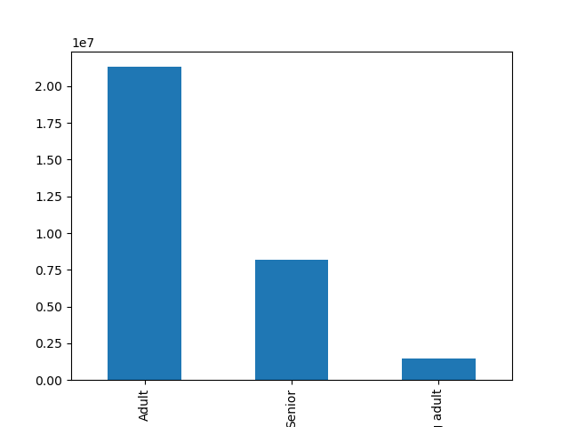
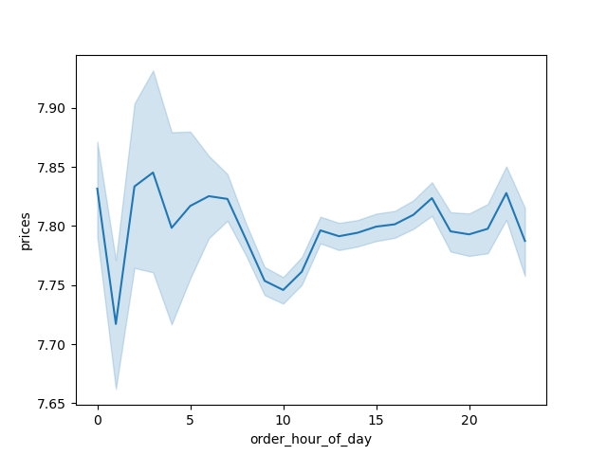

Adult group is ages 21-65. Senior group is 65 + . Young Adult is under 21 | There is high variance in the early hours of the day

Loyalty Flag bar chart | Orders Frequency at Each Hour of the Day
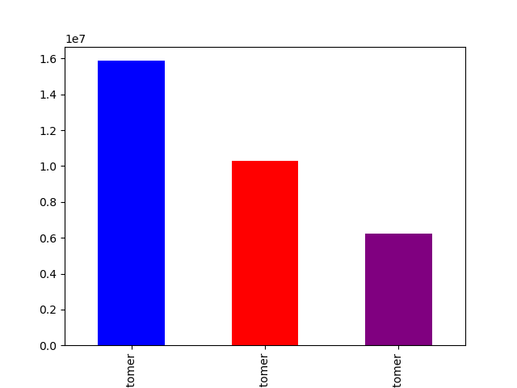


Blue flag is a regular customer. Red Flag is loyal customer. Purple is a new customer. | Most of the orders are done during the middle part of the day (hours 7 - 17)

Orders Frequency by Number of Dependants | Order Frequency by Days of the Week
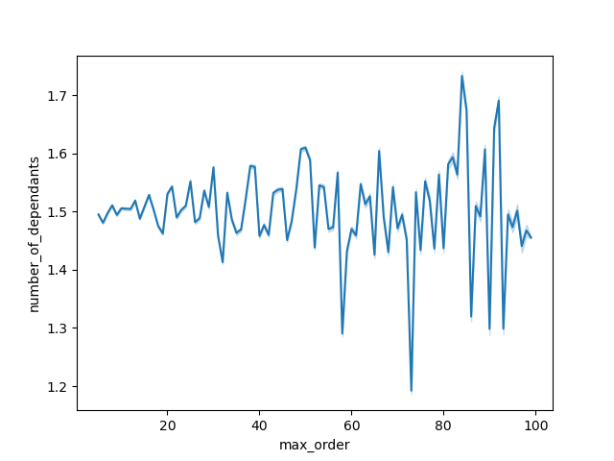
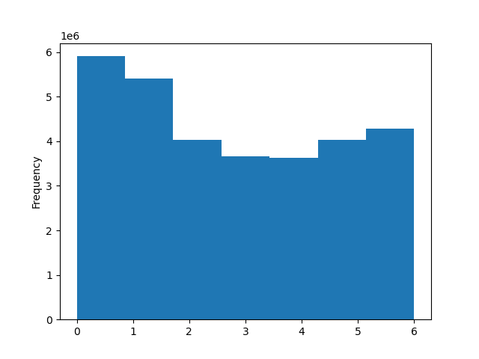

Those who order more have more variability than those who have ordered less | The middle of the week is slower compared to the rest of the week

7. Recommendations
 |  | Title page

Recommendations

Question | Answer
What should the target market be? | Instacart should look to target adults between the ages of 25- 45.

Where should instacart look to target? | The Southern region had by far the most customers, aswell as the most "High Spender"

Who has the most income? | Seniors tend to have the highest income. Adults older than 40 also have similar incomes.

Do more dependants equal more orders? | Its not conclusive. There is too much variability

What time should Instacart expect technical problems? | More users are placing orders between the hours 7 - 17. The higher traffic could possibly result in more technical problems.

What hours and days should be focused on the most | The hours 7 - 17 are the most busy during any given day. Hours 0 - 5 are the slowest. Days 0 -1 are the most busy during the week. Days 3 and 4 are the lowest

Is there anything that should be looked into futher? | The relationship between the high price variability and low amount of orders in the early hours should be studied even futher. Looking into each region and their tendencies potentially holds a more personalized perspective.

